ART
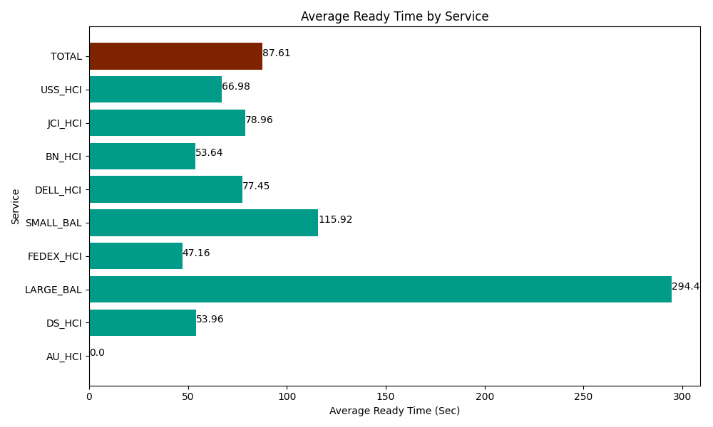
Date | Service | Successful Op Transfer | In Call (Sec) | Ready (Sec) | Wrapup (Sec) | Not Ready (Sec) | Average Ready Time (Sec)
04-30-2024 | AU_HCI | 0 | 0 | 232.80000687 | 0 | 187.80000687 | 0
04-30-2024 | DS_HCI | 543 | 44362.800293 | 29297.999268 | 65719.196777 | 72835.202637 | 53.96
04-30-2024 | LARGE_BAL | 3 | 41.999999285 | 883.20001602 | 324.00000572 | 13.80000025 | 294.4
04-30-2024 | FEDEX_HCI | 30 | 3757.1999359 | 1414.7999954 | 1801.8000412 | 1911.0000229 | 47.16
04-30-2024 | SMALL_BAL | 40 | 4170 | 4636.7999268 | 5156.9998169 | 10708.200073 | 115.92
04-30-2024 | DELL_HCI | 58 | 6088.2000732 | 4492.2001648 | 17491.799927 | 4290 | 77.45
04-30-2024 | BN_HCI | 1066 | 66005.998535 | 57175.198975 | 101596.20117 | 53214.001465 | 53.64
04-30-2024 | JCI_HCI | 155 | 15078.000183 | 12238.799744 | 15111.000366 | 5308.8002014 | 78.96
04-30-2024 | USS_HCI | 331 | 54309.001465 | 22170 | 45750 | 22627.199707 | 66.98
 | TOTAL | 2226 | 193813.20048 | 132541.7981 | 252950.99811 | 171096.00411 | 87.61

